Sheet1
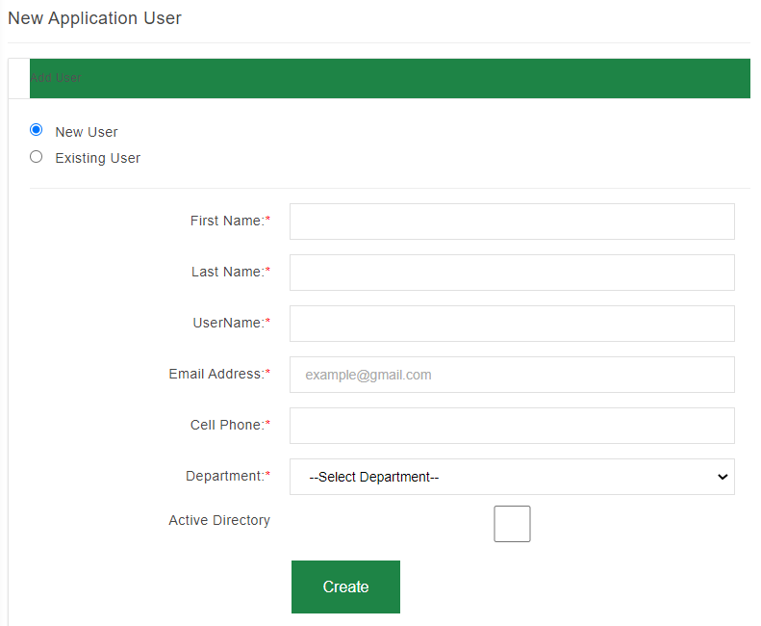

Field name | Description | Format
First Name: | User's first name (Text field). | Alpha
Last name: | User's last name (Text field). | Alpha
Username: | Active Directory username (Text field). | VarChar
Email address: | User's email address | Email
Cell Phone: | User's mobile number. | Numeric
Department: | The department that the user must be configured to (Drop-down list). | Drop-down
Active Directory checkbox: | To be ticked if the user exists on Active Directory. Unticked if user is not on Active Directory. | Checkbox
Create button | Creates user on system. | Button

